Positive test cases
ID: | Priority: | Test Description: | Assumptions and Pre-Conditions: | Test Data: | Steps to be Executed: | Expected Result: | Actual Result and Post-Conditions: | Pass/Fail: | Link/screenshot:
KETPT_1 | High | Boil water in the kettle | Kettle, stand, water, electicity | 2022-10-28 | 1. Fill the kettle with water. 2. Insert the plug of the kettle stand wire into the socket. 3. Put the kettle on the stand. 4. Press the on button on the kettle. | The red light indicator lights up, the water gradually heats up to a state of boiling water, then the kettle automatically turns off | The red light indicator lights up, the water gradually heats up to a state of boiling water, then the kettle automatically turns off. The kettle off, boiling water inside | Pass | 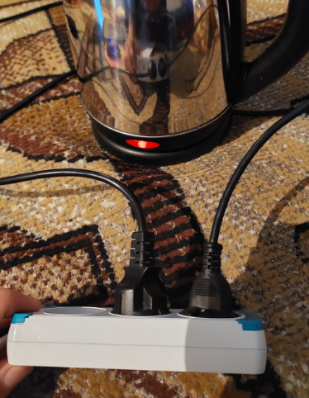
KETPT_2 | High | Stop the boiling process before ending | Kettle, stand, water, electicity | 2022-10-28 | 1. Fill the kettle with water. 2. Insert the plug of the kettle stand wire into the socket. 3. Put the kettle on the stand. 4. Press the on button on the kettle. 5. Press the off button on the kettle before boiling | The red light indicator lights up, the water gradually heats up, kettle turns off after pressing off button | The red light indicator lights up, the water gradually heats up, kettle turns off after pressing off button. The kettle off, not boiling water inside | Pass | 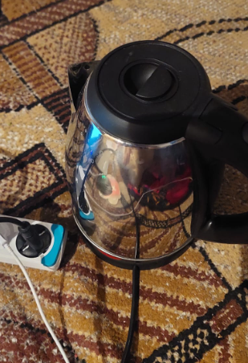
KETPT_3 | High | Pour water from the kettle | Kettle, water, glass | 2022-10-28 | 1. Fill the kettle with water. 2. Pour water from the kettle into a glass | Water flows from the kettle into the glass | Water flows from the kettle into the glass. The kettle off, there is water in the glass | Pass

Negative test cases
ID: | Priority: | Test Description: | Assumptions and Pre-Conditions: | Test Data: | Steps to be Executed: | Expected Result: | Actual Result and Post-Conditions: | Pass/Fail: | Link/screenshot:
KETNT_1 | Medium | Turn on the kettle in a de-energized state | Kettle, stand. | 2022-10-28 | 1. Fill the kettle with water. 2. Put the kettle on the stand. 3. Press the on button on the kettle. | The kettle is off | the kettle is off. Water temperature has not changed | Pass
KETNT_2 | Medium | Turn on the kettle without water | Kettle, stand, water, electicity | 2022-10-28 | 1. Insert the plug of the kettle stand wire into the socket. 2. Put the kettle on the stand. 3. Press the on button on the kettle. | The kettle is off | The red light indicator lights up, the kettle starts to heat up without water | Fail | 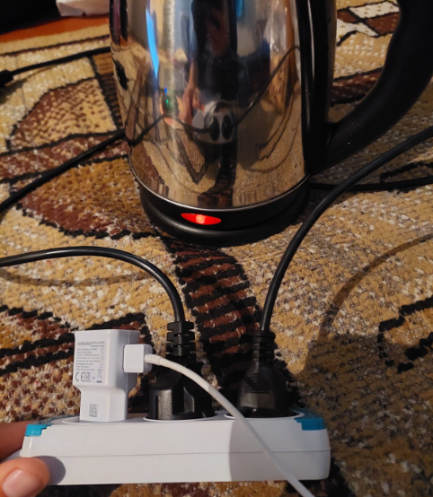
KETNT_3 | Low | Breake some nuts with the kettle | Kettle, nuts | 2022-10-28 | 1. Take the kettle in hand. 2. Take few nuts. 3. Smash nuts with kettle. | The kettle is in order. | The kettle is in order. Nuts are ready to eat | Pass

Measuring test
ID: | Priority: | Test Description: | Assumptions and Pre-Conditions: | Test Data: | Steps to be Executed: | Expected Result: | Actual Result and Post-Conditions: | Pass/Fail: | Link/screenshot:
KETMT_1 | High | To boil 0.5 L of water | Kettle, stand, water, electicity | 2022-10-28 | 1. Fill the kettle with 0.5 L water. 2. Insert the plug of the kettle stand wire into the socket. 3. Put the kettle on the stand. 4. Press the on button on the kettle. | The red light indicator lights up, the water gradually heats up to a state of boiling water, then the kettle automatically turns off | The red light indicator lights up, the water gradually heats up to a state of boiling water, then the kettle automatically turns off. The kettle off, boiling water inside after 4.09 min | Pass | 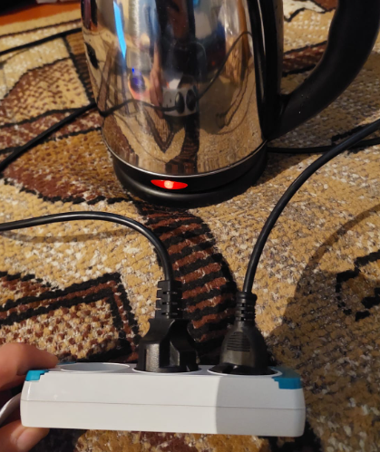
KETMT_2 | High | To boil 1 L of water | Kettle, stand, water, electicity | 2022-10-28 | 1. Fill the kettle with 1 L water. 2. Insert the plug of the kettle stand wire into the socket. 3. Put the kettle on the stand. 4. Press the on button on the kettle. | The red light indicator lights up, the water gradually heats up to a state of boiling water, then the kettle automatically turns off | The red light indicator lights up, the water gradually heats up to a state of boiling water, then the kettle automatically turns off. The kettle off, boiling water inside after 5.10 min | Pass
KETMT_3 | High | To boil 1.5 L of water | Kettle, stand, water, electicity | 2022-10-28 | 1. Fill the kettle with 1.5 L water. 2. Insert the plug of the kettle stand wire into the socket. 3. Put the kettle on the stand. 4. Press the on button on the kettle. | The red light indicator lights up, the water gradually heats up to a state of boiling water, then the kettle automatically turns off | The red light indicator lights up, the water gradually heats up to a state of boiling water, then the kettle automatically turns off. The kettle off, boiling water inside after 6.15 min | Pass

Test Report
 |  |  | Kettle test report
During testing, the method of 9 test cases was applied, which checks the operation of the kettle.
The essence of testing is to check the operation of all the required functions of the kettle and its correct work.

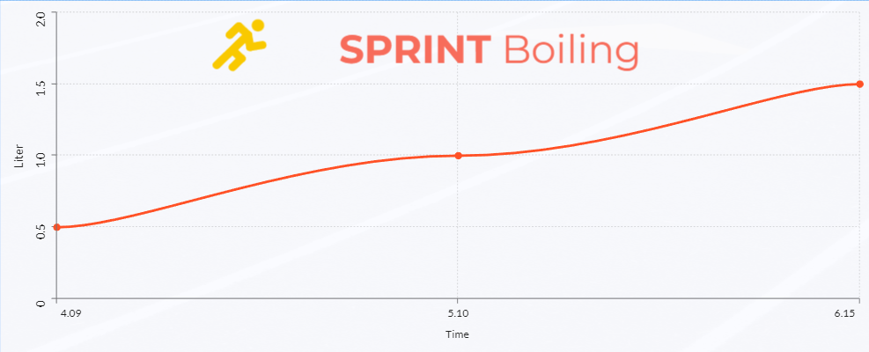
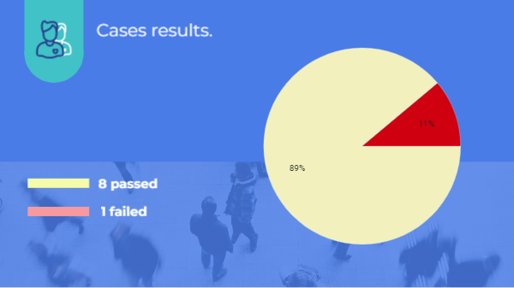
Test cases completed during testing:
 | Test Description: | The result
1 | Boil water in the kettle | pass
2 | Stop the boiling process before ending | pass
3 | Pour water from the kettle | pass
4 | Turn on the kettle in a de-energized state | pass
5 | Turn on the kettle without water | fail
6 | Breake some nuts with the kettle | pass
7 | To boil 0.5 L of water | pass
8 | To boil 1 L of water | pass
9 | To boil 1.5 L of water | pass

 | Conclusions from the test results:
 | This section presents conclusions from the test results, as well as general statistics on defects that were identified as a result of testing the kettle.
 | During the testing period, 1 defects was identified. The detected mid-level defect does not directly affect the performance of the device, but may endanger the lives and health of users. We strongly recommend that you fix the defect before release. The list of defects is given in the Appendix.

